Sheet1
1
2 | R4 Data Science Exercise
 | Author: Chaz Frazer

3 | Scope

4 | Data Columns:
 | 1. ID (user ID) 2. First_Play_Date (date user first used service) 3. Play_Date (date of play/stream) 4. Genre (genre of portal being played)

5 | Questions

6 | Question A:
 | What are some of the first things you notice about this data set? What is in it?
 | Rows contain user IDs containing the first initial play date, as well as each subsequent client access of the service. We can see that there are 2798 unique user IDs using the service.
 | 6 unique genres of:
 |  | Bullseye (1183 appearances, 435 unique IDs)
 |  | Discovery (105489 appearences, 2519 unique IDs)
 |  | Fingerprint (21802 appearences, 1959 unique IDs)
 |  | Mashboard (2339 appearences, 592 unique IDs)
 |  | Product (2711 appearences, 451 unique IDs)
 |  | Spider (1426 appearences, 609 unique IDs)
 | User ID (WMT-eb43dc75-8c60-487c-9615-4e750042a0e3-26930-7f412b5358c1bbab7a1b8356f2794c7ee30fc26) has the highest number of games, having played Discovery 1077 times.

7 | Question B:
 | Using this data, please answer the question- does genre usage shift week-to-week (relative to when a user first used the service)? For example, are users more likely to play Fingerprint during week one of their subscription, but then Mashboard during week 2 and 3?
 | Users are most likely to start off with Discovery, then in week 2 move on to Fingerprint in leading up to and during week 2. After week 2, Discovery plays drop off sharply, while Fingerprint playthroughs taper off slightly. Other game genres mostly hold steady throughout the subsequent weeks.

8 | Question C:
 | How would you improve the service by improving customer engagement?
 | Provide incentives for playthoughs of each genre, specific to the game. For example: create leaderboards, viewable stat data of their closest peers, discord servers for game genres where a community can grow; including developer interaction, and in-game challenges that reap trophies or awards specific to gameplay tasks.

9 | Data Import & Cleaning

10
11 |  | ID | First_Play_Date | Play_Date | Genre | Unnamed: 4 | Unnamed: 5 | Unnamed: 6 | Unnamed: 7 | Unnamed: 8
 | 0 | ASP-122a358d-be37-49bf-98ea-402ccfe33898-26768... | 08Jan2015 | 08Jan2015 | Discovery | #N/A | #N/A | #N/A | #N/A | #N/A
 | 1 | ASP-122a358d-be37-49bf-98ea-402ccfe33898-26768... | 08Jan2015 | 08Jan2015 | Discovery | #N/A | #N/A | #N/A | #N/A | #N/A
 | 2 | ASP-122a358d-be37-49bf-98ea-402ccfe33898-26768... | 08Jan2015 | 08Jan2015 | Discovery | #N/A | #N/A | #N/A | #N/A | #N/A
 | 3 | ASP-122a358d-be37-49bf-98ea-402ccfe33898-26768... | 08Jan2015 | 08Jan2015 | Discovery | #N/A | #N/A | #N/A | #N/A | #N/A
 | 4 | ASP-122a358d-be37-49bf-98ea-402ccfe33898-26768... | 08Jan2015 | 08Jan2015 | Discovery | #N/A | #N/A | #N/A | #N/A | #N/A
 | 5 | ASP-122a358d-be37-49bf-98ea-402ccfe33898-26768... | 08Jan2015 | 08Jan2015 | Discovery | #N/A | #N/A | #N/A | #N/A | #N/A
 | 6 | ASP-122a358d-be37-49bf-98ea-402ccfe33898-26768... | 08Jan2015 | 08Jan2015 | Discovery | #N/A | #N/A | #N/A | #N/A | #N/A
 | 7 | ASP-122a358d-be37-49bf-98ea-402ccfe33898-26768... | 08Jan2015 | 08Jan2015 | Discovery | #N/A | #N/A | #N/A | #N/A | #N/A
 | 8 | ASP-122a358d-be37-49bf-98ea-402ccfe33898-26768... | 08Jan2015 | 08Jan2015 | Discovery | #N/A | #N/A | #N/A | #N/A | #N/A
 | 9 | ASP-122a358d-be37-49bf-98ea-402ccfe33898-26768... | 08Jan2015 | 08Jan2015 | Discovery | #N/A | #N/A | #N/A | #N/A | #N/A

12 | ID object
 | First_Play_Date object
 | Play_Date object
 | Genre object
 | Unnamed: 4 float64
 | Unnamed: 5 float64
 | Unnamed: 6 float64
 | Unnamed: 7 float64
 | Unnamed: 8 float64
 | dtype: object

13
14 | <class 'pandas.core.frame.DataFrame'>
 | Int64Index: 134950 entries, 0 to 134949
 | Data columns (total 4 columns):
 | # Column Non-Null Count Dtype
 | --- ------ -------------- -----
 | 0 ID 134950 non-null object
 | 1 First_Play_Date 134950 non-null object
 | 2 Play_Date 134950 non-null object
 | 3 Genre 134950 non-null object
 | dtypes: object(4)
 | memory usage: 5.1+ MB

15 | <class 'pandas.core.frame.DataFrame'>
 | Int64Index: 134950 entries, 0 to 134949
 | Data columns (total 4 columns):
 | # Column Non-Null Count Dtype
 | --- ------ -------------- -----
 | 0 ID 134950 non-null object
 | 1 First_Play_Date 134950 non-null datetime64[ns]
 | 2 Play_Date 134950 non-null datetime64[ns]
 | 3 Genre 134950 non-null object
 | dtypes: datetime64[ns](2), object(2)
 | memory usage: 5.1+ MB

16 |  | ID | First_Play_Date | Play_Date | Genre
 | 0 | ASP-122a358d-be37-49bf-98ea-402ccfe33898-26768... | 2015-01-08 | 2015-01-08 | Discovery
 | 1 | ASP-122a358d-be37-49bf-98ea-402ccfe33898-26768... | 2015-01-08 | 2015-01-08 | Discovery
 | 2 | ASP-122a358d-be37-49bf-98ea-402ccfe33898-26768... | 2015-01-08 | 2015-01-08 | Discovery
 | 3 | ASP-122a358d-be37-49bf-98ea-402ccfe33898-26768... | 2015-01-08 | 2015-01-08 | Discovery
 | 4 | ASP-122a358d-be37-49bf-98ea-402ccfe33898-26768... | 2015-01-08 | 2015-01-08 | Discovery

17 | Feature Engineering

18
19 |  | ID | First_Play_Date | Play_Date | Genre | bullseye_plays | discovery_plays | fingerprint_plays | mashboard_plays | product_plays | spider_plays
 | 0 | ASP-122a358d-be37-49bf-98ea-402ccfe33898-26768-6d9d2b9c3e3cdc8e7a57d5f851e7faf44163f8d | 2015-01-08 | 2015-01-08 | Discovery | 0 | 1 | 0 | 0 | 0 | 0
 | 1 | ASP-122a358d-be37-49bf-98ea-402ccfe33898-26768-6d9d2b9c3e3cdc8e7a57d5f851e7faf44163f8d | 2015-01-08 | 2015-01-08 | Discovery | 0 | 1 | 0 | 0 | 0 | 0
 | 2 | ASP-122a358d-be37-49bf-98ea-402ccfe33898-26768-6d9d2b9c3e3cdc8e7a57d5f851e7faf44163f8d | 2015-01-08 | 2015-01-08 | Discovery | 0 | 1 | 0 | 0 | 0 | 0
 | 3 | ASP-122a358d-be37-49bf-98ea-402ccfe33898-26768-6d9d2b9c3e3cdc8e7a57d5f851e7faf44163f8d | 2015-01-08 | 2015-01-08 | Discovery | 0 | 1 | 0 | 0 | 0 | 0
 | 4 | ASP-122a358d-be37-49bf-98ea-402ccfe33898-26768-6d9d2b9c3e3cdc8e7a57d5f851e7faf44163f8d | 2015-01-08 | 2015-01-08 | Discovery | 0 | 1 | 0 | 0 | 0 | 0

20 | EDA

21 | Number of unique users is: 2798
 | Number of unique genres is: 6

22 | array(['2015-01-07T00:00:00.000000000', '2015-01-08T00:00:00.000000000',
 | '2015-01-09T00:00:00.000000000', '2015-01-10T00:00:00.000000000',
 | '2015-01-11T00:00:00.000000000', '2015-01-12T00:00:00.000000000',
 | '2015-01-13T00:00:00.000000000'], dtype='datetime64[ns]')

23 | array(['2015-01-07T00:00:00.000000000', '2015-01-08T00:00:00.000000000',
 | '2015-01-09T00:00:00.000000000', '2015-01-10T00:00:00.000000000',
 | '2015-01-11T00:00:00.000000000', '2015-01-12T00:00:00.000000000',
 | '2015-01-13T00:00:00.000000000', '2015-01-14T00:00:00.000000000',
 | '2015-01-15T00:00:00.000000000', '2015-01-16T00:00:00.000000000',
 | '2015-01-17T00:00:00.000000000', '2015-01-18T00:00:00.000000000',
 | '2015-01-19T00:00:00.000000000', '2015-01-20T00:00:00.000000000',
 | '2015-01-21T00:00:00.000000000', '2015-01-22T00:00:00.000000000',
 | '2015-01-23T00:00:00.000000000', '2015-01-24T00:00:00.000000000',
 | '2015-01-25T00:00:00.000000000', '2015-01-26T00:00:00.000000000',
 | '2015-01-27T00:00:00.000000000', '2015-01-28T00:00:00.000000000',
 | '2015-01-29T00:00:00.000000000', '2015-01-30T00:00:00.000000000',
 | '2015-01-31T00:00:00.000000000', '2015-02-01T00:00:00.000000000',
 | '2015-02-02T00:00:00.000000000', '2015-02-03T00:00:00.000000000',
 | '2015-02-04T00:00:00.000000000', '2015-02-05T00:00:00.000000000',
 | '2015-02-06T00:00:00.000000000', '2015-02-07T00:00:00.000000000',
 | '2015-02-08T00:00:00.000000000', '2015-02-09T00:00:00.000000000'],
 | dtype='datetime64[ns]')

24 |  | count | unique | top | freq
 | Genre
 | Bullseye | 1183 | 435 | SBD-405445b7-d087-463f-9d84-3ec48774cbc2-1110-a06646e4f44358aa17a4903ae565f833ef679e5 | 36
 | Discovery | 105489 | 2519 | WMT-eb43dc75-8c60-487c-9615-4e750042a0e3-26930-7f412b5358c1bbab7a1b8356f2794c7ee30fc26 | 1077
 | Fingerprint | 21802 | 1959 | ONG-47ee5eef-b687-4707-bf58-2c7bc094041f-29682-93665e4dc033e944a854d5755e29d4a4262f3d1 | 174
 | Mashboard | 2339 | 592 | P158-4a478455-dcaf-4c4f-b325-fecb7a161b20-25-a70dee78befeec153f04b80b6b9088f45577856 | 48
 | Product | 2711 | 451 | P158-9fc39447-ef30-4e95-8f3c-73aa5e991169-421-b556d2b8b3e195395eb5ab1a17c907165e85da4 | 78
 | Spider | 1426 | 609 | P158-81ee652f-623a-4a49-8abb-b907933b1916-3158-9a9b530229916d9e2a491eaa16f171d22ddd6c7 | 39

25 | Genre
 | Bullseye 1183
 | Discovery 105489
 | Fingerprint 21802
 | Mashboard 2339
 | Product 2711
 | Spider 1426
 | Name: ID, dtype: int64

26 |  | count | unique | top | freq | first | last
 | Genre
 | Bullseye | 1183 | 7 | 2015-01-13 | 208 | 2015-01-07 | 2015-01-13
 | Discovery | 105489 | 7 | 2015-01-07 | 20247 | 2015-01-07 | 2015-01-13
 | Fingerprint | 21802 | 7 | 2015-01-07 | 3639 | 2015-01-07 | 2015-01-13
 | Mashboard | 2339 | 7 | 2015-01-07 | 451 | 2015-01-07 | 2015-01-13
 | Product | 2711 | 7 | 2015-01-09 | 440 | 2015-01-07 | 2015-01-13

27 |  | count | unique | top | freq | first | last
 | Genre
 | Bullseye | 1183 | 34 | 2015-01-15 | 83 | 2015-01-07 | 2015-02-09
 | Discovery | 105489 | 34 | 2015-01-14 | 6325 | 2015-01-07 | 2015-02-09
 | Fingerprint | 21802 | 34 | 2015-01-13 | 1392 | 2015-01-07 | 2015-02-09
 | Mashboard | 2339 | 34 | 2015-01-13 | 178 | 2015-01-07 | 2015-02-09
 | Product | 2711 | 34 | 2015-01-10 | 212 | 2015-01-07 | 2015-02-09

28 |  | First_Play_Date | bullseye_plays | discovery_plays | fingerprint_plays | mashboard_plays | product_plays | spider_plays
 | 0 | 2015-01-07 | 176 | 20247 | 3639 | 451 | 353 | 268
 | 1 | 2015-01-08 | 174 | 15027 | 3221 | 362 | 396 | 209
 | 2 | 2015-01-09 | 110 | 12309 | 3042 | 260 | 440 | 160
 | 3 | 2015-01-10 | 151 | 12282 | 2895 | 389 | 407 | 168
 | 4 | 2015-01-11 | 172 | 11711 | 2333 | 267 | 402 | 132

29 |  | bullseye_plays | discovery_plays | fingerprint_plays | mashboard_plays | product_plays | spider_plays
 | Play_Date
 | 2015-01-07 | 10 | 1069 | 198 | 17 | 27 | 14
 | 2015-01-08 | 34 | 2524 | 547 | 104 | 110 | 32
 | 2015-01-09 | 38 | 3148 | 769 | 147 | 119 | 39
 | 2015-01-10 | 45 | 3769 | 1087 | 129 | 212 | 27
 | 2015-01-11 | 43 | 4133 | 931 | 100 | 159 | 27

30 |  |  | bullseye_plays | discovery_plays | fingerprint_plays | mashboard_plays | product_plays | spider_plays
 | First_Play_Date | Play_Date
 | 2015-01-07 | 2015-01-07 | 10 | 1069 | 198 | 17 | 27 | 14
 |  | 2015-01-08 | 27 | 1798 | 366 | 78 | 60 | 22
 |  | 2015-01-09 | 14 | 1238 | 222 | 45 | 24 | 8
 |  | 2015-01-10 | 12 | 1084 | 200 | 24 | 3 | 5
 |  | 2015-01-11 | 6 | 900 | 143 | 19 | 18 | 4
 |  | 2015-01-12 | 23 | 752 | 139 | 9 | 14 | 0
 |  | 2015-01-13 | 8 | 767 | 190 | 7 | 19 | 0
 |  | 2015-01-14 | 3 | 802 | 157 | 20 | 10 | 7
 |  | 2015-01-15 | 4 | 721 | 124 | 11 | 13 | 9
 |  | 2015-01-16 | 4 | 659 | 114 | 10 | 9 | 10

31 |  | Play_Date | bullseye_plays | discovery_plays | fingerprint_plays | mashboard_plays | product_plays | spider_plays
 | 0 | 2015-01-11 | 170 | 14643 | 3532 | 497 | 627 | 139
 | 1 | 2015-01-18 | 388 | 35775 | 6681 | 742 | 866 | 313
 | 2 | 2015-01-25 | 280 | 24200 | 4442 | 433 | 531 | 400
 | 3 | 2015-02-01 | 189 | 19350 | 4058 | 336 | 352 | 408
 | 4 | 2015-02-08 | 154 | 11173 | 3006 | 317 | 323 | 157

32 | Visualizations

33 | Initial Play Rates

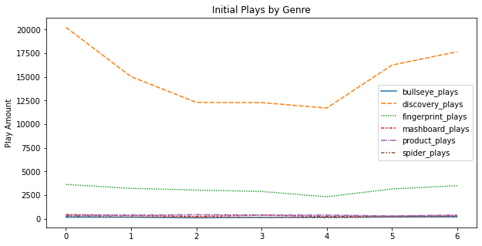

35 | Subsequent Play Rates

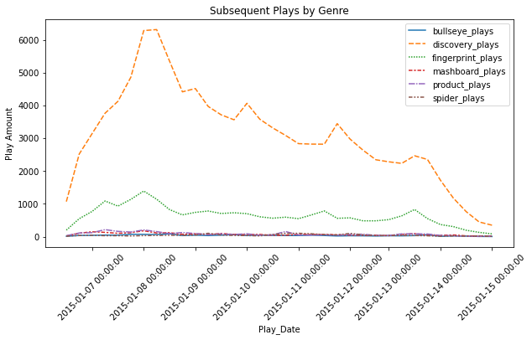

37 | Users by Genre

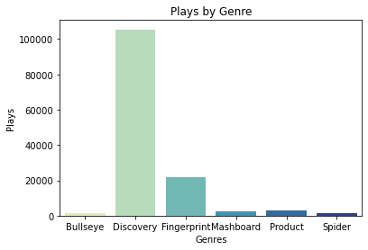

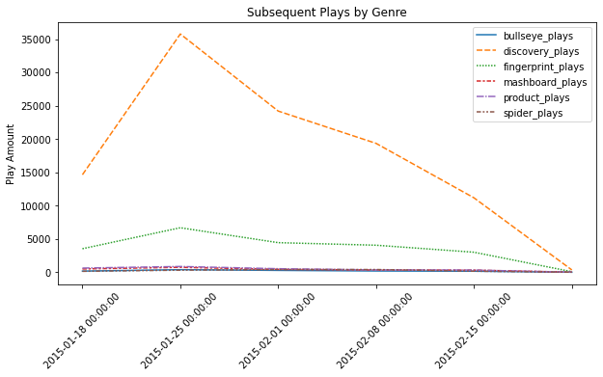

42

